Sheet
 | Currency | INR | Region Of Mfg. |  | Pune,India | Annual Product Volume | 36000
Sl No. | Assumption Card | Level | Leaf Node | Part No | Part name | Parent name | Category name | Qty. | Wt.(g) | Individual Part Cost (IPC) | Total Cost (IPC x Qty) | Costing Type | RM Cost | BOP Cost | Machine Cost | Labour Cost | Set-Up Cost | Tool Cost | Overhead Cost | Child Parts Cost | RM Grades | RM Rates (Per Kg Rate) | Scrap Rates (Per Kg Rate) | Top View | Front View
1 | Pune,India | L-1 | FALSE | 2311-BA-A | BRAKE ASSEMBLY | Hector Plus 1.5 Gas CVT | Flexible Assembly (A) | 1 | 63557 | 26779.22 | 26779.22 | DC | 0 | 0 | 0 | 0 | 0 | 0 | 523.3 | 26255.92 |  |  |  | 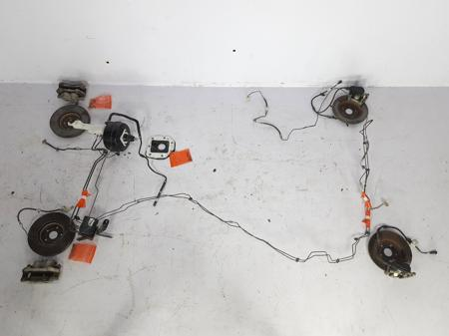 | 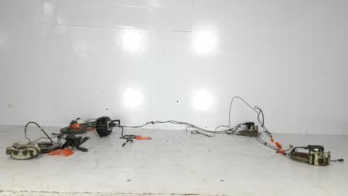
2 | Pune,India | L-2 | FALSE | 2311-BA-01-A | Brake Booster Assembly | BRAKE ASSEMBLY | Flexible Assembly (A) | 1 | 4626.34 | 1247.33 | 1247.33 | DC | 0 | 0 | 0 | 0 | 0 | 0 | 23.47 | 1223.85 |  |  |  | 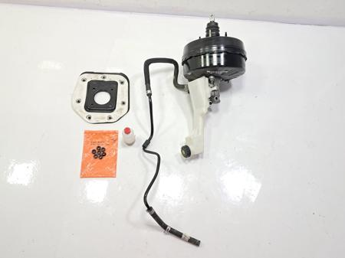 | 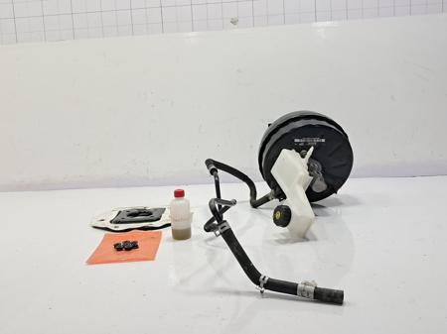
3 | Pune,India | L-3 | TRUE | 2311-BA-01-01-A | Reservoir-Master CYL | Brake Booster Assembly | Moulding (LA) | 1 | 213.51 | 58.54 | 58.54 | DC | 22.25 | 2.31 | 11.15 | 7.98 | 0.46 | 0 | 14.39 | 0 | PL-PP, PL-PPPlastic-ASI,MAGNET-ASI | 91.4,91.4,0.0,84.0 | 36.4,36.4, | 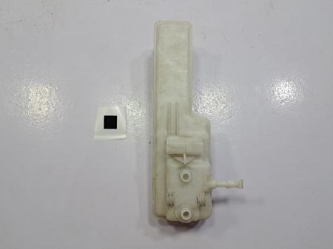 | 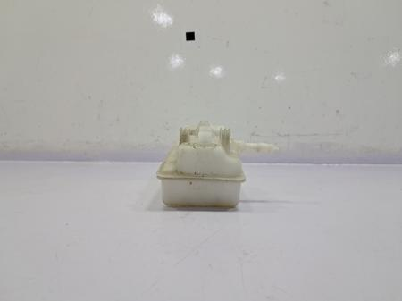
4 | Pune,India | L-3 | TRUE | 2311-BA-01-02 | Reservoir-Master CYL Cap | Brake Booster Assembly | Moulding (P) | 1 | 7.97 | 1.43 | 1.43 | BOP | 0 | 1.43 | 0 | 0 | 0 | 0 | 0 | 0 | Plastic-ASI | 0.0 |  | 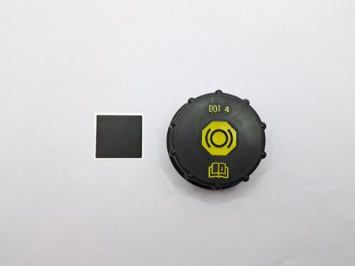 | 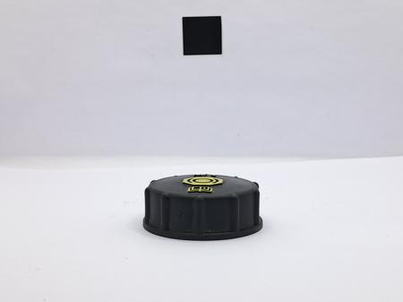
5 | Pune,India | L-3 | TRUE | 2311-BA-01-03-A | Reservior Oil Level Sensor | Brake Booster Assembly | Electronic Bought-out (LA) | 1 | 5.99 | 62.27 | 62.27 | BOP | 0 | 62.27 | 0 | 0 | 0 | 0 | 0 | 0 | PCB-BOARD,Sensor,EL-CONNECTOR-ASI,EL-CONNECTOR-ASI,RUBBER-ASI,RUBBER-ASI,Plastic-ASI | 18.53,0.0,0.0,0.0,0.0,0.0,0.0 |  | 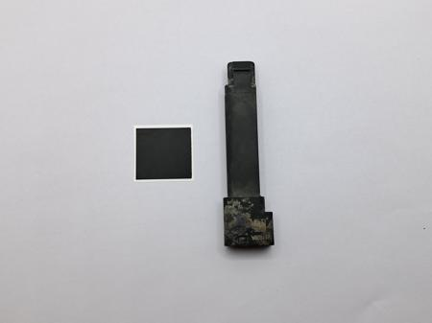 | 
6 | Pune,India | L-3 | TRUE | 2311-BA-01-04 | Reservoir to Master Cylinder Bolt | Brake Booster Assembly | Bolt (P) | 1 | 10.99 | 1.65 | 1.65 | BOP | 0 | 1.65 | 0 | 0 | 0 | 0 | 0 | 0 | ASI-BOLT | 140.0 |  | 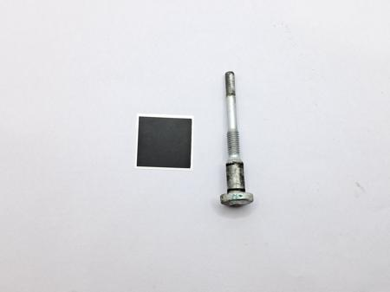 | 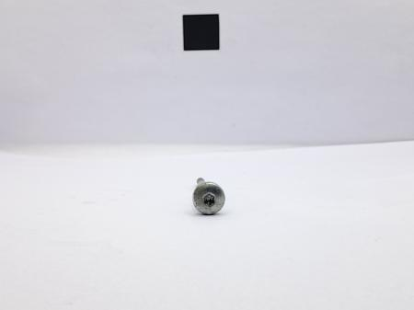
7 | Pune,India | L-3 | TRUE | 2311-BA-01-05 | Master Cylinder Bush | Brake Booster Assembly | Moulding (P) | 2 | 2.545 | 1.27 | 2.54 | BOP | 0 | 1.27 | 0 | 0 | 0 | 0 | 0 | 0 | Bush-ASI | 0.0 |  | 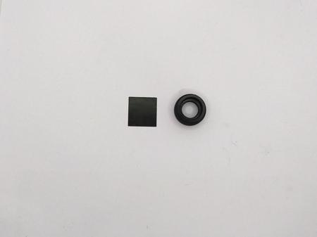 | 
8 | Pune,India | L-3 | TRUE | 2311-BA-01-06 | Master Cylinder O-ring | Brake Booster Assembly | Moulding (P) | 1 | 0.91 | 0.46 | 0.46 | BOP | 0 | 0.46 | 0 | 0 | 0 | 0 | 0 | 0 | Rubber-ASI | 0.0 |  | 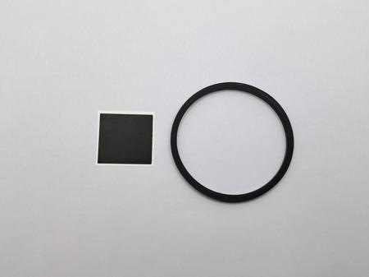 | 
9 | Pune,India | L-3 | TRUE | 2311-BA-01-07 | Master Cylinder O-ring Seal | Brake Booster Assembly | Moulding (P) | 1 | 0.86 | 0.43 | 0.43 | BOP | 0 | 0.43 | 0 | 0 | 0 | 0 | 0 | 0 | RUBBER-ASI | 0.0 |  | 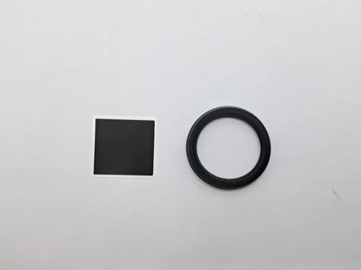 | 
10 | Pune,India | L-3 | TRUE | 2311-BA-01-08 | Master Cylinder Piston Spring | Brake Booster Assembly | Spring (P) | 1 | 11.09 | 2 | 2 | BOP | 0 | 2 | 0 | 0 | 0 | 0 | 0 | 0 | SPRING-ASI | 0.0 |  | 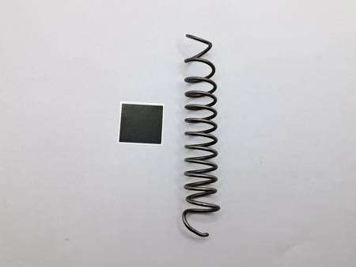 | 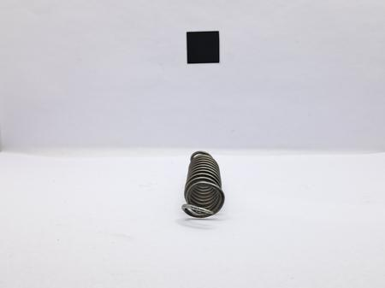
11 | Pune,India | L-3 | TRUE | 2311-BA-01-09-A | Master Cylinder | Brake Booster Assembly | Non-Fe Casting (LA) | 1 | 398.82 | 187.2 | 187.2 | DC | 85.58 | 14.68 | 38.59 | 13.9 | 4.15 | 0 | 30.31 | 0 | AL-AA-Ingots-60822105-GA-EN-O RING-ASI,SPRING-ASI,Aluminium-ASI | 0.0,0.5,0.0,0.0 | 0.0, | 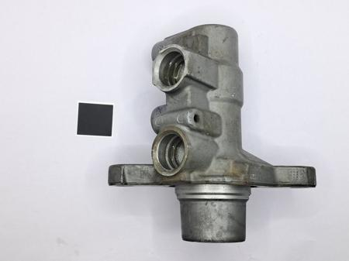 | 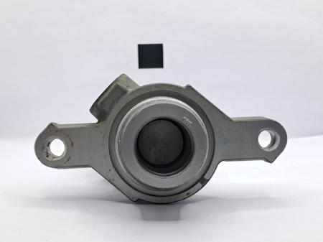
12 | Pune,India | L-3 | TRUE | 2311-BA-01-010-A | Master Cylinder Piston | Brake Booster Assembly | Non-Fe Casting (LA) | 1 | 48.28 | 24.14 | 24.14 | BOP | 0 | 24.14 | 0 | 0 | 0 | 0 | 0 | 0 | Aluminium-ASI | 0.0 |  | 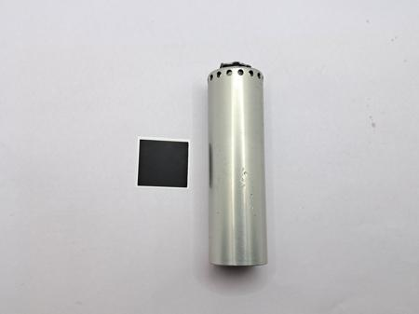 | 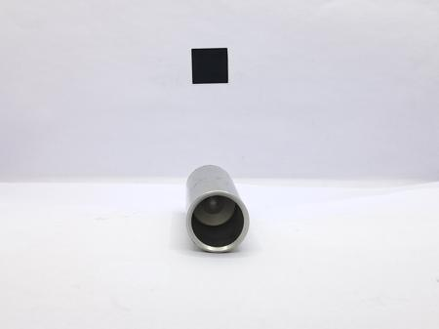
13 | Pune,India | L-3 | TRUE | 2311-BA-01-011 | Brake Booster Front Casing | Brake Booster Assembly | Fabrication (P) | 1 | 527.3 | 78.86 | 78.86 | DC | 48.41 | 0 | 13.32 | 0.43 | 0 | 0 | 16.69 | 0 | ST-CS-Coil-CR | 61.02 | 24.4, | 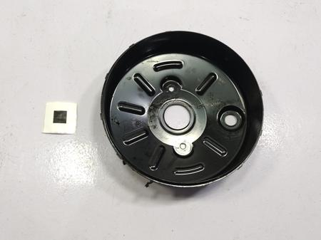 | 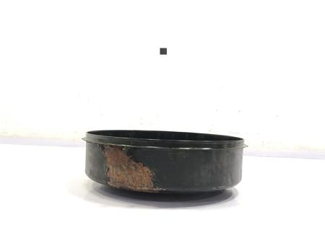
14 | Pune,India | L-3 | TRUE | 2311-BA-01-012 | Brake Booster Diaphragm Plate | Brake Booster Assembly | Fabrication (P) | 1 | 270 | 41.33 | 41.33 | DC | 22.55 | 0 | 9.55 | 0.26 | 0 | 0 | 8.97 | 0 | ST-CS-Coil-CR | 61.02 | 24.4, | 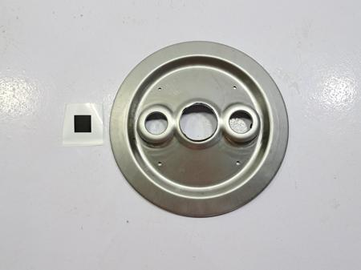 | 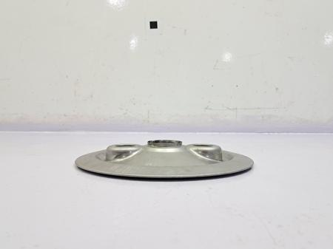
15 | Pune,India | L-3 | TRUE | 2311-BA-01-013 | Brake Booster Diaphragm Plate-2 | Brake Booster Assembly | Fabrication (P) | 1 | 226.9 | 36.62 | 36.62 | DC | 19.31 | 0 | 9.04 | 0.26 | 0 | 0 | 8.02 | 0 | ST-CS-Coil-CR | 61.02 | 24.4, | 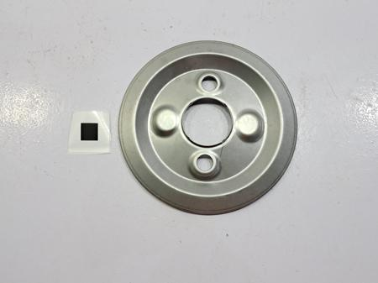 | 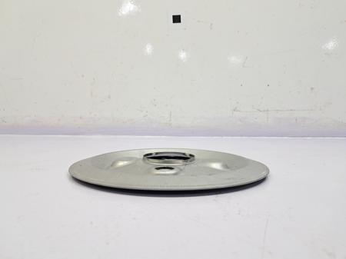
16 | Pune,India | L-3 | TRUE | 2311-BA-01-014 | Brake Booster Diaphragm Plate-3 | Brake Booster Assembly | Fabrication (P) | 1 | 433.73 | 55.77 | 55.77 | DC | 31.97 | 0 | 11.56 | 0.26 | 0 | 0 | 11.98 | 0 | ST-CS-Coil-CR | 61.02 | 24.4, | 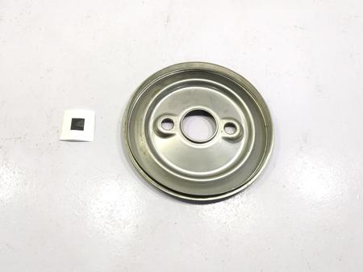 | 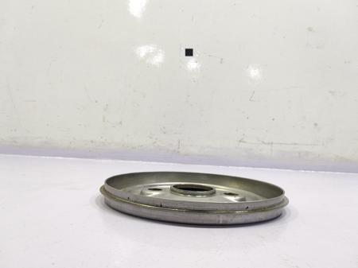
17 | Pune,India | L-3 | TRUE | 2311-BA-01-015 | Brake Booster Casing Plate | Brake Booster Assembly | Fabrication (P) | 1 | 703.72 | 87.26 | 87.26 | DC | 56.14 | 0 | 11.91 | 1.16 | 0 | 0 | 18.05 | 0 | ST-CS-Coil-CR | 61.02 | 24.4, | 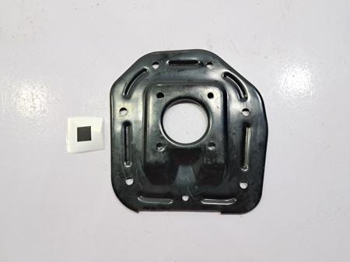 | 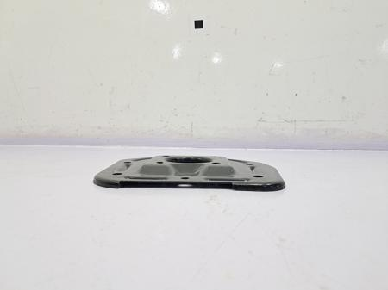
18 | Pune,India | L-3 | TRUE | 2311-BA-01-016 | Diaphragm | Brake Booster Assembly | Moulding (P) | 1 | 105.5 | 59.58 | 59.58 | DC | 38.96 | 0 | 3.63 | 2.11 | 0.11 | 0 | 14.78 | 0 | RB-EPDM | 332.98 | 133.192, | 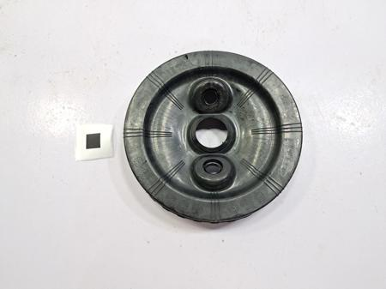 | 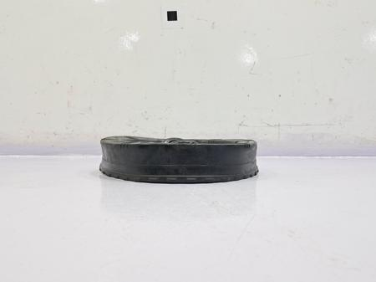
19 | Pune,India | L-3 | TRUE | 2311-BA-01-017 | Diaphragm-2 | Brake Booster Assembly | Moulding (P) | 1 | 129.53 | 70.83 | 70.83 | DC | 47.83 | 0 | 3.63 | 2.11 | 0.11 | 0 | 17.15 | 0 | RB-EPDM | 332.98 | 133.192, | 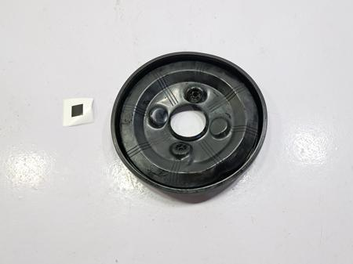 | 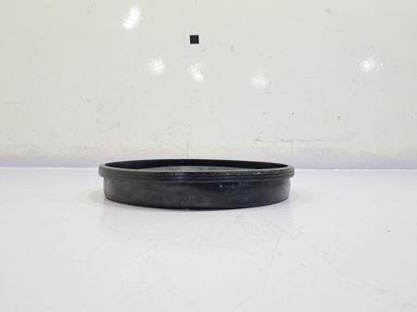
20 | Pune,India | L-3 | TRUE | 2311-BA-01-018 | Brake Booster Spring | Brake Booster Assembly | Spring (P) | 1 | 81.11 | 14.6 | 14.6 | BOP | 0 | 14.6 | 0 | 0 | 0 | 0 | 0 | 0 | SPRING-ASI | 0.0 |  | 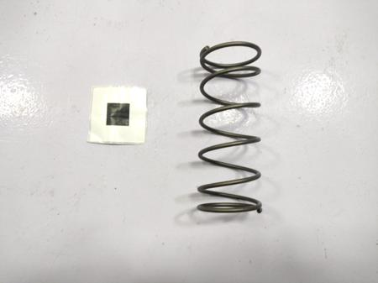 | 
21 | Pune,India | L-3 | TRUE | 2311-BA-01-019 | Brake Booster Push Rod Boot | Brake Booster Assembly | Moulding (P) | 1 | 9.82 | 3.34 | 3.34 | BOP | 0 | 3.34 | 0 | 0 | 0 | 0 | 0 | 0 | Rubber-ASI | 0.0 |  | 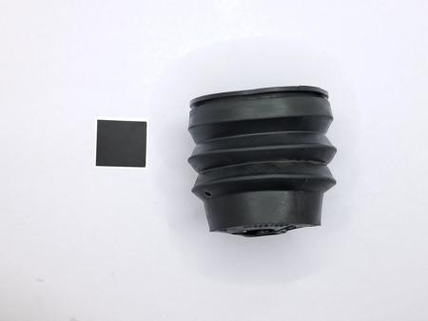 | 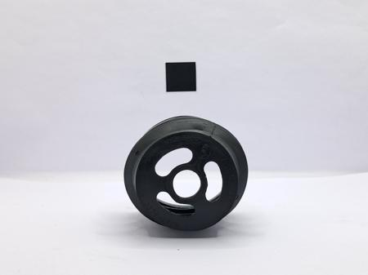
22 | Pune,India | L-3 | TRUE | 2311-BA-01-020 | Grommet | Brake Booster Assembly | Moulding (P) | 1 | 3.27 | 1.64 | 1.64 | BOP | 0 | 1.64 | 0 | 0 | 0 | 0 | 0 | 0 | Rubber-ASI | 0.0 |  | 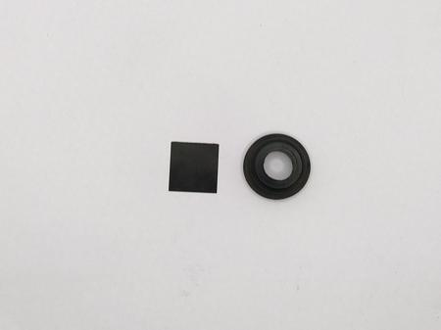 | 
23 | Pune,India | L-3 | TRUE | 2311-BA-01-021 | Brake Booster Casing Spring Holder | Brake Booster Assembly | Moulding (P) | 1 | 103.99 | 51.45 | 51.45 | DC | 31.67 | 0 | 2.92 | 3.47 | 0.14 | 0 | 13.25 | 0 | PL-PET-GF30 | 260.14 | 104.0, | 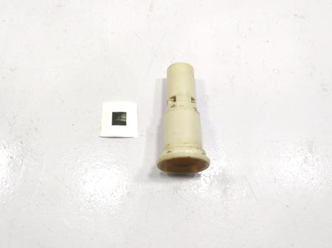 | 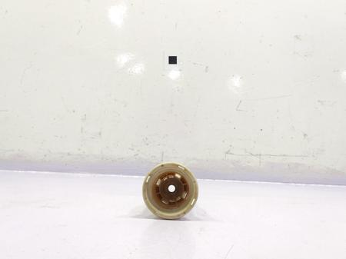
24 | Pune,India | L-3 | TRUE | 2311-BA-01-022 | Brake Booster Front Casing Seal | Brake Booster Assembly | Moulding (P) | 1 | 6.86 | 3.43 | 3.43 | BOP | 0 | 3.43 | 0 | 0 | 0 | 0 | 0 | 0 | RUBBER-ASI | 0.0 |  | 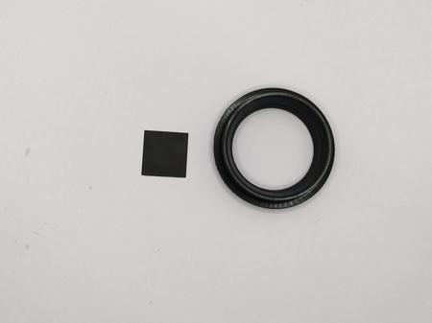 | 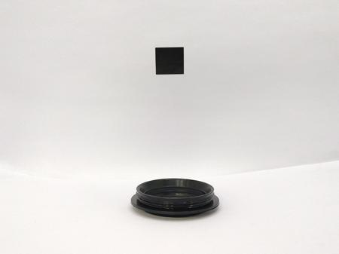
25 | Pune,India | L-3 | TRUE | 2311-BA-01-023 | Brake Booster Oil Seal | Brake Booster Assembly | Moulding (P) | 1 | 6.22 | 3.11 | 3.11 | BOP | 0 | 3.11 | 0 | 0 | 0 | 0 | 0 | 0 | Rubber-ASI | 0.0 |  | 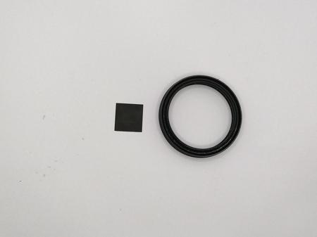 | 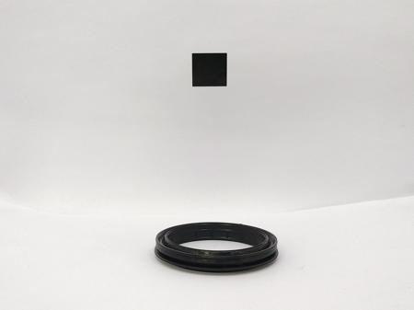
26 | Pune,India | L-3 | TRUE | 2311-BA-01-024 | Brake Booster Bolt | Brake Booster Assembly | Nut (P) | 7 | 5.47 | 0.82 | 5.74 | BOP | 0 | 0.82 | 0 | 0 | 0 | 0 | 0 | 0 | ASI-BOLT | 140.0 |  | 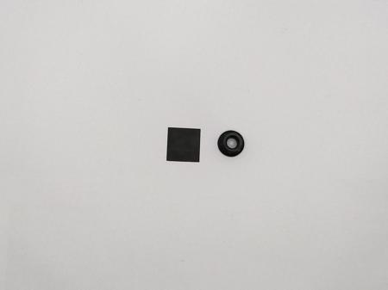 | 
27 | Pune,India | L-3 | TRUE | 2311-BA-01-025 | Reservior Nut | Brake Booster Assembly | Nut (P) | 2 | 4.735 | 0.71 | 1.42 | BOP | 0 | 0.71 | 0 | 0 | 0 | 0 | 0 | 0 | ASI-NUT | 150.0 |  | 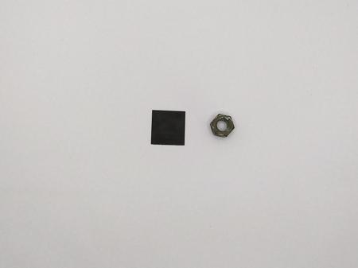 | 
28 | Pune,India | L-3 | TRUE | 2311-BA-01-026 | Brake Booster Shaft | Brake Booster Assembly | Forging (P) | 1 | 59.6 | 41.72 | 41.72 | BOP | 0 | 41.72 | 0 | 0 | 0 | 0 | 0 | 0 | Steel-ASI | 0.0 |  | 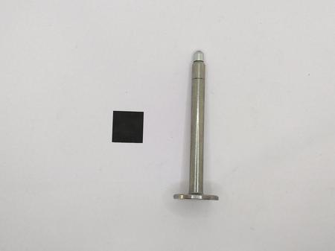 | 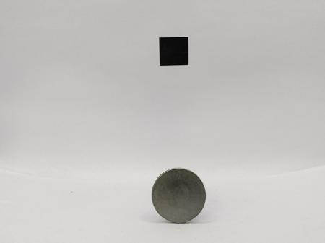
29 | Pune,India | L-3 | TRUE | 2311-BA-01-027 | Brake Booster Shaft impeller | Brake Booster Assembly | Fabrication (P) | 1 | 3.28 | 0.52 | 0.52 | BOP | 0 | 0.52 | 0 | 0 | 0 | 0 | 0 | 0 | Steel-ASI | 0.0 |  | 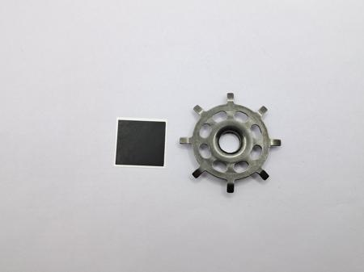 | 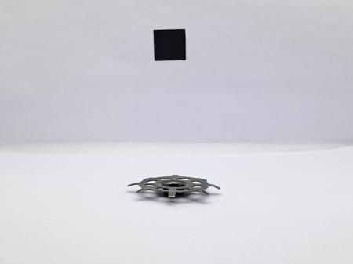
30 | Pune,India | L-3 | TRUE | 2311-BA-01-028 | Brake Booster Nut | Brake Booster Assembly | Nut (P) | 2 | 23.66 | 3.55 | 7.1 | BOP | 0 | 3.55 | 0 | 0 | 0 | 0 | 0 | 0 | ASI-NUT | 150.0 |  |  | 
31 | Pune,India | L-3 | TRUE | 2311-BA-01-029 | Brake Booster Bolt Seal | Brake Booster Assembly | Moulding (P) | 2 | 0.1 | 0.05 | 0.1 | BOP | 0 | 0.05 | 0 | 0 | 0 | 0 | 0 | 0 | Rubber-ASI | 0.0 |  |  | 
32 | Pune,India | L-3 | TRUE | 2311-BA-01-030 | Spring Holder Rubber Bush | Brake Booster Assembly | Moulding (P) | 1 | 4.14 | 2.07 | 2.07 | BOP | 0 | 2.07 | 0 | 0 | 0 | 0 | 0 | 0 | Rubber-ASI | 0.0 |  |  | 
33 | Pune,India | L-3 | TRUE | 2311-BA-01-031 | Spring Holder Washer | Brake Booster Assembly | Washer (P) | 1 | 1.36 | 0.14 | 0.14 | BOP | 0 | 0.14 | 0 | 0 | 0 | 0 | 0 | 0 | washer-ASI | 0.0 |  |  | 
34 | Pune,India | L-3 | TRUE | 2311-BA-01-032 | Brake Booster Plate cover | Brake Booster Assembly | Fabrication (P) | 1 | 11.7 | 1.87 | 1.87 | BOP | 0 | 1.87 | 0 | 0 | 0 | 0 | 0 | 0 | Steel-ASI | 0.0 |  |  | 
35 | Pune,India | L-3 | TRUE | 2311-BA-01-033 | Spring Holder Retainer | Brake Booster Assembly | Fabrication (P) | 1 | 11.91 | 1.91 | 1.91 | BOP | 0 | 1.91 | 0 | 0 | 0 | 0 | 0 | 0 | Steel-ASI | 0.0 |  |  | 
36 | Pune,India | L-3 | TRUE | 2311-BA-01-034 | Gasket | Brake Booster Assembly | Foam (P) | 1 | 0.63 | 0.63 | 0.63 | BOP | 0 | 0.63 | 0 | 0 | 0 | 0 | 0 | 0 | GASKET-ASI | 0.0 |  |  | 
37 | Pune,India | L-3 | TRUE | 2311-BA-01-035 | Gasket-2 | Brake Booster Assembly | Foam (P) | 1 | 3.65 | 3.65 | 3.65 | BOP | 0 | 3.65 | 0 | 0 | 0 | 0 | 0 | 0 | GASKET-ASI | 0.0 |  |  | 
38 | Pune,India | L-3 | TRUE | 2311-BA-01-036 | Brake Booster Bolt Holder | Brake Booster Assembly | Moulding (P) | 2 | 18.22 | 3.28 | 6.56 | BOP | 0 | 3.28 | 0 | 0 | 0 | 0 | 0 | 0 | Plastic-ASI | 0.0 |  |  | 
39 | Pune,India | L-3 | TRUE | 2311-BA-01-037 | Brake Booster Bolt Holder O-ring | Brake Booster Assembly | Moulding (P) | 2 | 0.18 | 0.09 | 0.18 | BOP | 0 | 0.09 | 0 | 0 | 0 | 0 | 0 | 0 | Rubber-ASI | 0.0 |  |  | 
40 | Pune,India | L-3 | TRUE | 2311-BA-01-038 | Reservoir-Master CYL Cap Seal | Brake Booster Assembly | Moulding (P) | 1 | 2.9 | 1.45 | 1.45 | BOP | 0 | 1.45 | 0 | 0 | 0 | 0 | 0 | 0 | Rubber-ASI | 0.0 |  |  | 
41 | Pune,India | L-3 | TRUE | 2311-BA-01-039-A | Brake Booster Push Rod | Brake Booster Assembly | Fabrication Assembly (LA) | 1 | 101.02 | 53.14 | 53.14 | DC | 1.73 | 23.23 | 7.15 | 9.4 | 0.18 | 0 | 11.45 | 0 | Mild MS RoundsSPRING-ASI,Steel-ASI,Seal-ASI,Steel-ASI,Steel-ASI,Plastic-ASI,Plastic-ASI,SPRING-ASI | 57.6,0.0,0.0,0.0,0.0,0.0,0.0,0.0,0.0 | 23.04, |  | 
42 | Pune,India | L-3 | TRUE | 2311-BA-01-040 | Brake Booster Push Rod Foam | Brake Booster Assembly | Foam (P) | 1 | 3.72 | 1.49 | 1.49 | BOP | 0 | 1.49 | 0 | 0 | 0 | 0 | 0 | 0 | FOAM-ASI | 0.0 |  |  | 
43 | Pune,India | L-3 | TRUE | 2311-BA-01-041 | Brake Booster Push Rod Seal | Brake Booster Assembly | Moulding (P) | 1 | 0.29 | 0.14 | 0.14 | BOP | 0 | 0.14 | 0 | 0 | 0 | 0 | 0 | 0 | Rubber-ASI | 0.0 |  |  | 
44 | Pune,India | L-3 | TRUE | 2311-BA-01-042-A | Vaccum Check Valve | Brake Booster Assembly | Moulding (LA) | 1 | 14.56 | 2.62 | 2.62 | BOP | 0 | 2.62 | 0 | 0 | 0 | 0 | 0 | 0 | Plastic-ASI | 0.0 |  |  | 
45 | Pune,India | L-3 | TRUE | 2311-BA-01-043-A | Brake Booster Rear Casing | Brake Booster Assembly | Fabrication Assembly (LA) | 1 | 709.15 | 136.6 | 136.6 | DC | 52.92 | 21.27 | 26.54 | 4.53 | 0.43 | 0 | 30.9 | 0 | Mild MS Rounds,ST-CS-Coil-CRASI-BOLT,ASI-BOLT | 57.6,61.02,140.0,140.0 | 23.04,24.4, |  | 
46 | Pune,India | L-3 | TRUE | 2311-BA-01-044 | Hose | Brake Booster Assembly | Rubber-Plastic Extrusion (P) | 1 | 111.76 | 41.93 | 41.93 | DC | 18.01 | 0.78 | 3.32 | 7.65 | 2.71 | 0 | 9.45 | 0 | RB-NR-Sheet-RSS-4-01,RB-NR-Sheet-RSS-4-01NYLON-STRAP-1 | 154.0,154.0,1.425 | 30.8,30.8, |  | 
47 | Pune,India | L-3 | TRUE | 2311-BA-01-045 | Hose-2 | Brake Booster Assembly | Rubber-Plastic Extrusion (P) | 1 | 54.9 | 32.94 | 32.94 | BOP | 0 | 32.94 | 0 | 0 | 0 | 0 | 0 | 0 | HOSE 7 | 4.64 |  |  | 
48 | Pune,India | L-3 | TRUE | 2311-BA-01-046-A | Hose-3 | Brake Booster Assembly | Rubber-Plastic Extrusion (LA) | 1 | 23.58 | 14.15 | 14.15 | BOP | 0 | 14.15 | 0 | 0 | 0 | 0 | 0 | 0 | HOSE 7 | 4.64 |  |  | 
49 | Pune,India | L-3 | TRUE | 2311-BA-01-047 | Hose Bush | Brake Booster Assembly | Rubber-Plastic Extrusion (P) | 1 | 6.99 | 3.5 | 3.5 | BOP | 0 | 3.5 | 0 | 0 | 0 | 0 | 0 | 0 | Rubber-ASI | 0.0 |  |  | 
50 | Pune,India | L-3 | TRUE | 2311-BA-01-048 | Hose Clip | Brake Booster Assembly | Clip (P) | 4 | 4.89 | 0.78 | 3.13 | BOP | 0 | 0.78 | 0 | 0 | 0 | 0 | 0 | 0 | Steel-ASI | 0.0 |  |  | 
51 | Pune,India | L-3 | TRUE | 2311-BA-01-049-A | Filter | Brake Booster Assembly | Moulding (LA) | 1 | 1.66 | 0.75 | 0.75 | BOP | 0 | 0.75 | 0 | 0 | 0 | 0 | 0 | 0 | Plastic-ASI | 0.0 |  |  | 
52 | Pune,India | L-3 | TRUE | 2311-BA-01-050 | Hose Protective Shield | Brake Booster Assembly | Rubber-Plastic Extrusion (P) | 1 | 2.94 | 0.36 | 0.36 | BOP | 0 | 0.36 | 0 | 0 | 0 | 0 | 0 | 0 | Plastic-ASI | 0.0 |  |  | 
53 | Pune,India | L-3 | TRUE | 2311-BA-01-051 | Oil | Brake Booster Assembly | Fluid Consumable (P) | 1 | 33.5 | 9.58 | 9.58 | BOP | 0 | 9.58 | 0 | 0 | 0 | 0 | 0 | 0 | Oil | 0.0 |  | 
54 | Pune,India | L-2 | FALSE | 2311-BA-02-A | Front Brake Assembly | BRAKE ASSEMBLY | Flexible Assembly (A) | 2 | 17030.67 | 3479.73 | 6959.47 | DC | 0 | 0 | 0 | 0 | 0 | 0 | 68.23 | 3411.5 |  |  |  |  | 
55 | Pune,India | L-3 | TRUE | 2311-BA-02-01-A | Front Brake Outer Shoe | Front Brake Assembly | Fabrication Assembly (LA) | 1 | 568.99 | 345.73 | 345.73 | DC | 28.54 | 211.37 | 27.09 | 10.71 | 0.2 | 0 | 67.82 | 0 | ST-CS-Coil-HRGLUE-ASI,COMPOSITE-ASI,BRAKE PAD-RGMS14701-4101S,Steel-ASI | 56.02,0.0,140.0,7724.29,0.0 | 22.408, |  | 
56 | Pune,India | L-3 | TRUE | 2311-BA-02-02-A | Front Brake Inner Shoe | Front Brake Assembly | Fabrication Assembly (LA) | 1 | 566.84 | 359.98 | 359.98 | DC | 30.89 | 213.82 | 27.56 | 16.34 | 0.2 | 0 | 71.18 | 0 | ST-CS-Coil-HRBRAKE PAD-RGMS14701-4101S,COMPOSITE-ASI,GLUE-ASI,Steel-ASI | 56.02,7724.29,140.0,0.0,0.0 | 22.408, |  | 
57 | Pune,India | L-3 | TRUE | 2311-BA-02-03 | Caliper | Front Brake Assembly | Fe Casting (P) | 1 | 3772 | 606.17 | 606.17 | DC | 252.95 | 0 | 196.48 | 24.73 | 10.81 | 0 | 121.2 | 0 | OTH-PW-Core Sand,ST-IR-Ingots-CAST IRON,OTH-CO-RM | 0.0,0.0,0.0 | 0.0,0.0,0.0, |  | 
58 | Pune,India | L-3 | TRUE | 2311-BA-02-04-A | Caliper Dust Boot | Front Brake Assembly | Moulding (LA) | 2 | 12.37 | 30.92 | 61.85 | BOP | 0 | 30.92 | 0 | 0 | 0 | 0 | 0 | 0 | Seal-ASI | 0.0 |  |  | 
59 | Pune,India | L-3 | TRUE | 2311-BA-02-05 | Piston | Front Brake Assembly | Forging (P) | 2 | 248.3 | 106.47 | 212.94 | DC | 38.75 | 0 | 29.65 | 7.59 | 1.75 | 0 | 28.72 | 0 | SAE 4140 | 112.91 | 45.16, |  | 
60 | Pune,India | L-3 | TRUE | 2311-BA-02-06 | Piston Seal | Front Brake Assembly | Moulding (P) | 2 | 1.64 | 0.82 | 1.64 | BOP | 0 | 0.82 | 0 | 0 | 0 | 0 | 0 | 0 | Rubber-ASI | 0.0 |  |  | 
61 | Pune,India | L-3 | TRUE | 2311-BA-02-07 | Front Brake Inner Shoe Clip | Front Brake Assembly | Fabrication (P) | 1 | 3.3 | 0.46 | 0.46 | BOP | 0 | 0.46 | 0 | 0 | 0 | 0 | 0 | 0 | Steel-ASI | 0.0 |  |  | 
62 | Pune,India | L-3 | TRUE | 2311-BA-02-08 | Bleeder screw | Front Brake Assembly | Fabrication (P) | 1 | 10.43 | 4.69 | 4.69 | BOP | 0 | 4.69 | 0 | 0 | 0 | 0 | 0 | 0 | Steel-ASI | 0.0 |  |  | 
63 | Pune,India | L-3 | TRUE | 2311-BA-02-09 | Bleeder cap | Front Brake Assembly | Moulding (P) | 1 | 1.02 | 0.51 | 0.51 | BOP | 0 | 0.51 | 0 | 0 | 0 | 0 | 0 | 0 | RUBBER-ASI | 0.0 |  |  | 
64 | Pune,India | L-3 | TRUE | 2311-BA-02-010 | Caliper mounting Bracket | Front Brake Assembly | Fe Casting (P) | 1 | 1813 | 295.79 | 295.79 | DC | 123.25 | 0 | 100.05 | 16.5 | 9.89 | 0 | 46.09 | 0 | ST-IR-Ingots-CAST IRON,OTH-PW-Core Sand | 0.0,0.0 | 0.0,0.0, |  | 
65 | Pune,India | L-3 | TRUE | 2311-BA-02-011-A | Caliper Bracket Lock Pin | Front Brake Assembly | Forging (LA) | 1 | 60.67 | 41.26 | 41.26 | BOP | 0 | 41.26 | 0 | 0 | 0 | 0 | 0 | 0 | RUBBER-ASI,Steel-ASI | 0.0,0.0 |  |  | 
66 | Pune,India | L-3 | TRUE | 2311-BA-02-012 | Caliper Bracket Guide Pin | Front Brake Assembly | Forging (P) | 1 | 66.19 | 46.33 | 46.33 | BOP | 0 | 46.33 | 0 | 0 | 0 | 0 | 0 | 0 | Steel-ASI | 0.0 |  |  | 
67 | Pune,India | L-3 | TRUE | 2311-BA-02-013 | Caliper Bolt | Front Brake Assembly | Bolt (P) | 2 | 15.6 | 3.9 | 7.8 | BOP | 0 | 3.9 | 0 | 0 | 0 | 0 | 0 | 0 | ASI-BOLT | 140.0 |  |  | 
68 | Pune,India | L-3 | TRUE | 2311-BA-02-014 | Front Brake Inner & Outer Shoe Clip | Front Brake Assembly | Clip (P) | 4 | 2.895 | 0.41 | 1.62 | BOP | 0 | 0.41 | 0 | 0 | 0 | 0 | 0 | 0 | Steel-ASI | 0.0 |  |  | 
69 | Pune,India | L-3 | TRUE | 2311-BA-02-015-A | Caliper Bracket Lock & Guide Pin Boot | Front Brake Assembly | Moulding (LA) | 2 | 7.415 | 2.69 | 5.38 | BOP | 0 | 2.69 | 0 | 0 | 0 | 0 | 0 | 0 | Steel-ASI,RUBBER-ASI | 0.0,0.0 |  |  | 
70 | Pune,India | L-3 | TRUE | 2311-BA-02-016 | Disc Rotor | Front Brake Assembly | Fe Casting (P) | 1 | 9586 | 1592.79 | 1592.79 | DC | 677.51 | 0 | 485.21 | 38.44 | 12.65 | 0 | 378.98 | 0 | OTH-PW-Core Sand,ST-IR-Ingots-CAST IRON,OTH-CO-RM | 0.0,0.0,0.0 | 0.0,0.0,0.0, |  | 
71 | Pune,India | L-2 | FALSE | 2311-BA-03-A | Rear Brake Assembly | BRAKE ASSEMBLY | Flexible Assembly (A) | 2 | 9900.65 | 4891.01 | 9782.02 | DC | 0 | 0 | 0 | 0 | 0 | 0 | 95.46 | 4795.55 |  |  |  |  | 
72 | Pune,India | L-3 | TRUE | 2311-BA-03-01 | Rear Brake Disc Rotor | Rear Brake Assembly | Fe Casting (P) | 1 | 4903 | 1177.52 | 1177.52 | DC | 450.31 | 0 | 418.48 | 42.97 | 13.2 | 0 | 252.56 | 0 | ST-IR-Ingots-CAST IRON,OTH-PW-Core Sand | 0.0,0.0 | 0.0,0.0, |  | 
73 | Pune,India | L-3 | TRUE | 2311-BA-03-02 | Caliper | Rear Brake Assembly | Fe Casting (P) | 1 | 1808 | 363.51 | 363.51 | DC | 126.83 | 0 | 137.9 | 20.48 | 10.52 | 0 | 67.78 | 0 | OTH-CO-RM,OTH-PW-Core Sand,ST-IR-Ingots-CAST IRON | 0.0,0.0,0.0 | 0.0,0.0,0.0, |  | 
74 | Pune,India | L-3 | TRUE | 2311-BA-03-03 | Bleeder Screw | Rear Brake Assembly | Fabrication (P) | 1 | 11.01 | 4.95 | 4.95 | BOP | 0 | 4.95 | 0 | 0 | 0 | 0 | 0 | 0 | Steel-ASI | 0.0 |  |  | 
75 | Pune,India | L-3 | TRUE | 2311-BA-03-04 | Bleeder Screw Cap | Rear Brake Assembly | Moulding (P) | 1 | 0.86 | 0.43 | 0.43 | BOP | 0 | 0.43 | 0 | 0 | 0 | 0 | 0 | 0 | RUBBER-ASI | 0.0 |  |  | 
76 | Pune,India | L-3 | TRUE | 2311-BA-03-05-A | Rear Brake Outer Shoe | Rear Brake Assembly | Fabrication Assembly (LA) | 1 | 252.67 | 228.75 | 228.75 | DC | 12.03 | 130.28 | 23.22 | 16.34 | 0.2 | 0 | 46.68 | 0 | ST-CS-Coil-HRCOMPOSITE-ASI,GLUE-ASI,BRAKE PAD-RGMS14701-4101S,Steel-ASI | 56.02,140.0,0.0,7724.29,0.0 | 22.408, |  | 
77 | Pune,India | L-3 | TRUE | 2311-BA-03-06-A | Rear Brake Inner Shoe | Rear Brake Assembly | Fabrication Assembly (LA) | 1 | 251.58 | 224 | 224 | DC | 11.97 | 126.88 | 22.84 | 16.34 | 0.2 | 0 | 45.77 | 0 | ST-CS-Coil-HRCOMPOSITE-ASI,GLUE-ASI,BRAKE PAD-RGMS14701-4101S,Steel-ASI,Steel-ASI | 56.02,140.0,0.0,7724.29,0.0,0.0 | 22.408, |  | 
78 | Pune,India | L-3 | TRUE | 2311-BA-03-07 | Caliper Piston | Rear Brake Assembly | Forging (P) | 1 | 178.55 | 83.11 | 83.11 | DC | 27.52 | 0 | 23.89 | 7.59 | 1.71 | 0 | 22.39 | 0 | SAE 4140 | 112.91 | 45.16, |  | 
79 | Pune,India | L-3 | TRUE | 2311-BA-03-08 | Caliper Mounting Bracket | Rear Brake Assembly | Fe Casting (P) | 1 | 1133 | 198.54 | 198.54 | DC | 76.22 | 0 | 70.51 | 8.33 | 9.12 | 0 | 34.37 | 0 | OTH-PW-Core Sand,ST-IR-Ingots-CAST IRON | 0.0,0.0 | 0.0,0.0, |  | 
80 | Pune,India | L-3 | TRUE | 2311-BA-03-09 | Caliper Mounting Bracket Pin | Rear Brake Assembly | Forging (P) | 2 | 56.13 | 39.29 | 78.58 | BOP | 0 | 39.29 | 0 | 0 | 0 | 0 | 0 | 0 | PIN-ASI | 0.0 |  |  | 
81 | Pune,India | L-3 | TRUE | 2311-BA-03-010 | Caliper Mounting Bracket Pin Boot | Rear Brake Assembly | Moulding (P) | 2 | 2.895 | 1.45 | 2.9 | BOP | 0 | 1.45 | 0 | 0 | 0 | 0 | 0 | 0 | RUBBER-ASI | 0.0 |  |  | 
82 | Pune,India | L-3 | TRUE | 2311-BA-03-011 | Caliper Bolt | Rear Brake Assembly | Bolt (P) | 2 | 62.585 | 15.65 | 31.29 | BOP | 0 | 15.65 | 0 | 0 | 0 | 0 | 0 | 0 | ASI-BOLT | 140.0 |  |  | 
83 | Pune,India | L-3 | TRUE | 2311-BA-03-012 | Caliper Dust Boot | Rear Brake Assembly | Moulding (P) | 1 | 4.89 | 2.44 | 2.44 | BOP | 0 | 2.44 | 0 | 0 | 0 | 0 | 0 | 0 | RUBBER-ASI | 0.0 |  |  | 
84 | Pune,India | L-3 | TRUE | 2311-BA-03-013 | Caliper Bottem O-Ring | Rear Brake Assembly | Moulding (P) | 1 | 1.25 | 0.62 | 0.62 | BOP | 0 | 0.62 | 0 | 0 | 0 | 0 | 0 | 0 | RUBBER-ASI | 0.0 |  |  | 
85 | Pune,India | L-3 | TRUE | 2311-BA-03-014 | Front Brake Inner & Outer Shoe Clip | Rear Brake Assembly | Clip (P) | 4 | 3.22 | 0.45 | 1.8 | BOP | 0 | 0.45 | 0 | 0 | 0 | 0 | 0 | 0 | Steel-ASI | 0.0 |  |  | 
86 | Pune,India | L-3 | TRUE | 2311-BA-03-015-A | Motor Actuator | Rear Brake Assembly | Electronic Bought-out (LA) | 1 | 694.65 | 2279.66 | 2279.66 | BOP | 0 | 2279.66 | 0 | 0 | 0 | 0 | 0 | 0 | Motor | 0.0 |  |  | 
87 | Pune,India | L-3 | TRUE | 2311-BA-03-016 | Piston Spindle | Rear Brake Assembly | Forging (P) | 1 | 62.2 | 43.54 | 43.54 | BOP | 0 | 43.54 | 0 | 0 | 0 | 0 | 0 | 0 | Steel-ASI | 0.0 |  |  | 
88 | Pune,India | L-3 | TRUE | 2311-BA-03-017 | Piston Pressure Nut | Rear Brake Assembly | Forging (P) | 1 | 60.21 | 24.08 | 24.08 | BOP | 0 | 24.08 | 0 | 0 | 0 | 0 | 0 | 0 | ASI-NUT | 150.0 |  |  | 
89 | Pune,India | L-3 | TRUE | 2311-BA-03-018 | Piston Spindle Circlip | Rear Brake Assembly | Clip (P) | 1 | 1.17 | 0.26 | 0.26 | BOP | 0 | 0.26 | 0 | 0 | 0 | 0 | 0 | 0 | Steel-ASI | 0.0 |  |  | 
90 | Pune,India | L-3 | TRUE | 2311-BA-03-019 | Piston Spindle Shim | Rear Brake Assembly | Washer (P) | 2 | 4.735 | 0.76 | 1.52 | BOP | 0 | 0.76 | 0 | 0 | 0 | 0 | 0 | 0 | washer-ASI | 0.0 |  |  | 
91 | Pune,India | L-3 | TRUE | 2311-BA-03-020-A | Piston Spindle Bearing | Rear Brake Assembly | Bearing (LA) | 1 | 4.31 | 64 | 64 | BOP | 0 | 64 | 0 | 0 | 0 | 0 | 0 | 0 | BR-NB-HK3012 | 70.0 |  |  | 
92 | Pune,India | L-3 | TRUE | 2311-BA-03-021 | Piston Spindle O-Ring | Rear Brake Assembly | Moulding (P) | 1 | 0.33 | 0.17 | 0.17 | BOP | 0 | 0.17 | 0 | 0 | 0 | 0 | 0 | 0 | RUBBER-ASI | 0.0 |  |  | 
93 | Pune,India | L-3 | TRUE | 2311-BA-03-022 | Piston Spindle Sleeve | Rear Brake Assembly | Fabrication (P) | 1 | 1.74 | 1.83 | 1.83 | BOP | 0 | 1.83 | 0 | 0 | 0 | 0 | 0 | 0 | Copper-ASI | 0.0 |  |  | 
94 | Pune,India | L-3 | TRUE | 2311-BA-03-023 | Caliper Seal | Rear Brake Assembly | Moulding (P) | 1 | 1.42 | 0.71 | 0.71 | BOP | 0 | 0.71 | 0 | 0 | 0 | 0 | 0 | 0 | RUBBER-ASI | 0.0 |  |  | 
95 | Pune,India | L-3 | TRUE | 2311-BA-03-024 | Caliper Bracket Bolt | Rear Brake Assembly | Bolt (P) | 2 | 17.3 | 4.33 | 8.65 | BOP | 0 | 4.33 | 0 | 0 | 0 | 0 | 0 | 0 | ASI-BOLT | 140.0 |  |  | 
96 | Pune,India | L-3 | TRUE | 2311-BA-03-025 | Motor Actuator Mount Bolt | Rear Brake Assembly | Bolt (P) | 2 | 5.36 | 0.8 | 1.61 | BOP | 0 | 0.8 | 0 | 0 | 0 | 0 | 0 | 0 | ASI-BOLT | 140.0 |  |  | 
97 | Pune,India | L-3 | TRUE | 2311-BA-03-026 | Caliper To Suspension Bolt | Rear Brake Assembly | Bolt (P) | 2 | 86.5 | 21.62 | 43.25 | BOP | 0 | 21.62 | 0 | 0 | 0 | 0 | 0 | 0 | ASI-BOLT | 140.0 |  |  | 
98 | Pune,India | L-3 | TRUE | 2311-BA-03-027 | Motor Actuator Cable Bracket | Rear Brake Assembly | Fabrication (P) | 1 | 33.97 | 5.44 | 5.44 | BOP | 0 | 5.44 | 0 | 0 | 0 | 0 | 0 | 0 | Steel-ASI | 0.0 |  |  | 
99 | Pune,India | L-3 | TRUE | 2311-BA-03-028 | Motor Actuator Cable Bracket Bolt | Rear Brake Assembly | Bolt (P) | 1 | 7.08 | 1.77 | 1.77 | BOP | 0 | 1.77 | 0 | 0 | 0 | 0 | 0 | 0 | ASI-BOLT | 140.0 |  |  | 
100 | Pune,India | L-3 | TRUE | 2311-BA-03-029 | Motor Actuator Cable Clip | Rear Brake Assembly | Clip (P) | 1 | 1.02 | 0.18 | 0.18 | BOP | 0 | 0.18 | 0 | 0 | 0 | 0 | 0 | 0 | Plastic-ASI | 0.0 |  |  | 
101 | Pune,India | L-3 | TRUE | 2311-BA-03-030 | Motor Actuator Cable Clip-2 | Rear Brake Assembly | Clip (P) | 1 | 1.45 | 0.26 | 0.26 | BOP | 0 | 0.26 | 0 | 0 | 0 | 0 | 0 | 0 | Plastic-ASI | 0.0 |  |  | 
102 | Pune,India | L-3 | TRUE | 2311-BA-03-031 | Caliper Snap Ring | Rear Brake Assembly | Fabrication (P) | 1 | 2.4 | 0.38 | 0.38 | BOP | 0 | 0.38 | 0 | 0 | 0 | 0 | 0 | 0 | SNP-RING | 0.24 |  |  | 
103 | Pune,India | L-2 | FALSE | 2311-BA-04-A | Brake Distributor Assembly | BRAKE ASSEMBLY | Flexible Assembly (A) | 1 | 4980.4299 | 8267.1 | 8267.1 | DC | 0 | 0 | 0 | 0 | 0 | 0 | 162.1 | 8105 |  |  |  |  | 
104 | Pune,India | L-3 | TRUE | 2311-BA-04-01-A | ABS Output Hose-1 FR | Brake Distributor Assembly | Fabrication Assembly (LA) | 1 | 71.55 | 35.77 | 35.77 | BOP | 0 | 35.77 | 0 | 0 | 0 | 0 | 0 | 0 | 2101-EL-PROTECTIVEHOSE-ASI | 132.6 |  |  | 
105 | Pune,India | L-3 | TRUE | 2311-BA-04-02-A | ABS Output Hose-2 FR | Brake Distributor Assembly | Fabrication Assembly (LA) | 1 | 68.24 | 34.12 | 34.12 | BOP | 0 | 34.12 | 0 | 0 | 0 | 0 | 0 | 0 | 2101-EL-PROTECTIVEHOSE-ASI | 132.6 |  |  | 
106 | Pune,India | L-3 | TRUE | 2311-BA-04-03-A | ABS Output Hose-3 FR | Brake Distributor Assembly | Mechanical Bought-out (LA) | 1 | 113.16 | 144.2 | 144.2 | BOP | 0 | 144.2 | 0 | 0 | 0 | 0 | 0 | 0 | 2101-EX-FLEXIBLE HOSE-ASI | 351.0 |  |  | 
107 | Pune,India | L-3 | TRUE | 2311-BA-04-04 | ABS Output Hose-1 FR Clip | Brake Distributor Assembly | Clip (P) | 1 | 5.43 | 0.98 | 0.98 | BOP | 0 | 0.98 | 0 | 0 | 0 | 0 | 0 | 0 | Plastic-ASI | 0.0 |  |  | 
108 | Pune,India | L-3 | TRUE | 2311-BA-04-05 | ABS Output Hose-3 FR Bolt | Brake Distributor Assembly | Bolt (P) | 1 | 25.9 | 6.47 | 6.47 | BOP | 0 | 6.47 | 0 | 0 | 0 | 0 | 0 | 0 | ASI-BOLT | 140.0 |  |  | 
109 | Pune,India | L-3 | TRUE | 2311-BA-04-06 | ABS Output Hose-3 FR Bolt Washer | Brake Distributor Assembly | Washer (P) | 1 | 1.11 | 1.11 | 1.11 | BOP | 0 | 1.11 | 0 | 0 | 0 | 0 | 0 | 0 | COPPER-WASHER-ASI | 0.1 |  |  | 
110 | Pune,India | L-3 | TRUE | 2311-BA-04-07 | ABS Output Hose FR Clamp | Brake Distributor Assembly | Clamp (P) | 1 | 4.22 | 0.68 | 0.68 | BOP | 0 | 0.68 | 0 | 0 | 0 | 0 | 0 | 0 | STEEL-ASI | 0.0 |  |  | 
111 | Pune,India | L-3 | TRUE | 2311-BA-04-08 | ABS Output Hose-1 FR Hanger | Brake Distributor Assembly | Moulding (P) | 1 | 6.02 | 3.01 | 3.01 | BOP | 0 | 3.01 | 0 | 0 | 0 | 0 | 0 | 0 | RUBBER-ASI | 0.0 |  |  | 
112 | Pune,India | L-3 | TRUE | 2311-BA-04-09 | ABS Output Hose-3 FR Bolt Washer-2 | Brake Distributor Assembly | Washer (P) | 1 | 1.15 | 1.15 | 1.15 | BOP | 0 | 1.15 | 0 | 0 | 0 | 0 | 0 | 0 | COPPER-WASHER-ASI | 0.1 |  |  | 
113 | Pune,India | L-3 | TRUE | 2311-BA-04-010-A | ABS Output Hose-1 FL | Brake Distributor Assembly | Fabrication Assembly (LA) | 1 | 59.59 | 29.8 | 29.8 | BOP | 0 | 29.8 | 0 | 0 | 0 | 0 | 0 | 0 | 2101-EL-PROTECTIVEHOSE-ASI | 132.6 |  |  | 
114 | Pune,India | L-3 | TRUE | 2311-BA-04-011-A | ABS Output Hose-2 FL | Brake Distributor Assembly | Mechanical Bought-out (LA) | 1 | 111.91 | 92.65 | 92.65 | BOP | 0 | 92.65 | 0 | 0 | 0 | 0 | 0 | 0 | 2101-EX-FLEXIBLE HOSE-ASI | 351.0 |  |  | 
115 | Pune,India | L-3 | TRUE | 2311-BA-04-012 | ABS Output Hose-2 FL Bolt | Brake Distributor Assembly | Bolt (P) | 1 | 25.8 | 6.45 | 6.45 | BOP | 0 | 6.45 | 0 | 0 | 0 | 0 | 0 | 0 | ASI-BOLT | 140.0 |  |  | 
116 | Pune,India | L-3 | TRUE | 2311-BA-04-013 | ABS Output Hose FL Bolt Washer | Brake Distributor Assembly | Washer (P) | 1 | 1.14 | 1.14 | 1.14 | BOP | 0 | 1.14 | 0 | 0 | 0 | 0 | 0 | 0 | COPPER-WASHER-ASI | 0.1 |  |  | 
117 | Pune,India | L-3 | TRUE | 2311-BA-04-014 | ABS Output Hose-2 FL Bolt Washer-2 | Brake Distributor Assembly | Washer (P) | 1 | 1.14 | 1.14 | 1.14 | BOP | 0 | 1.14 | 0 | 0 | 0 | 0 | 0 | 0 | COPPER-WASHER-ASI | 0.1 |  |  | 
118 | Pune,India | L-3 | TRUE | 2311-BA-04-015 | ABS Output Hose-2 FL Hanger | Brake Distributor Assembly | Moulding (P) | 1 | 6.01 | 3 | 3 | BOP | 0 | 3 | 0 | 0 | 0 | 0 | 0 | 0 | RUBBER DAMPER-ASI | 0.0 |  |  | 
119 | Pune,India | L-3 | TRUE | 2311-BA-04-016 | ABS Output Hose-1 FL Clamp | Brake Distributor Assembly | Clamp (P) | 1 | 4.25 | 0.68 | 0.68 | BOP | 0 | 0.68 | 0 | 0 | 0 | 0 | 0 | 0 | Steel-ASI | 0.0 |  |  | 
120 | Pune,India | L-3 | TRUE | 2311-BA-04-017-A | ABS Output Hose-1 RR | Brake Distributor Assembly | Fabrication Assembly (LA) | 1 | 199 | 104.89 | 104.89 | DC | 50.67 | 4.32 | 18.38 | 8.48 | 0.78 | 0 | 22.27 | 0 | ST-GAL-PIPE,RB-EPDMASI-BOLT | 232.55,332.98,140.0 | 93.0,133.192, |  | 
121 | Pune,India | L-3 | TRUE | 2311-BA-04-018-A | ABS Output Hose-2 RR | Brake Distributor Assembly | Fabrication Assembly (LA) | 1 | 127 | 58.55 | 58.55 | DC | 25.4 | 6.06 | 7.84 | 6.16 | 0.39 | 0 | 12.7 | 0 | ST-GAL-PIPEASI-BOLT,ASI-NUT | 232.55,140.0,150.0 | 93.0, |  | 
122 | Pune,India | L-3 | TRUE | 2311-BA-04-019-A | ABS Output Hose-3 RR | Brake Distributor Assembly | Fabrication Assembly (LA) | 1 | 26.57 | 13.29 | 13.29 | BOP | 0 | 13.29 | 0 | 0 | 0 | 0 | 0 | 0 | 2101-EL-PROTECTIVEHOSE-ASI | 132.6 |  |  | 
123 | Pune,India | L-3 | TRUE | 2311-BA-04-020-A | ABS Output Hose-4 RR | Brake Distributor Assembly | Mechanical Bought-out (LA) | 1 | 92.07 | 98.45 | 98.45 | BOP | 0 | 98.45 | 0 | 0 | 0 | 0 | 0 | 0 | 2101-EX-FLEXIBLE HOSE-ASI | 351.0 |  |  | 
124 | Pune,India | L-3 | TRUE | 2311-BA-04-021-A | ABS Output Hose-5 RR | Brake Distributor Assembly | Mechanical Bought-out (LA) | 1 | 119.79 | 92.24 | 92.24 | BOP | 0 | 92.24 | 0 | 0 | 0 | 0 | 0 | 0 | 2101-EX-FLEXIBLE HOSE-ASI | 351.0 |  |  | 
125 | Pune,India | L-3 | TRUE | 2311-BA-04-022 | ABS Output Hose-5 RR Bolt | Brake Distributor Assembly | Bolt (P) | 1 | 25.74 | 6.43 | 6.43 | BOP | 0 | 6.43 | 0 | 0 | 0 | 0 | 0 | 0 | ASI-BOLT | 140.0 |  |  | 
126 | Pune,India | L-3 | TRUE | 2311-BA-04-023 | ABS Output Hose-5 RR Bolt Washer | Brake Distributor Assembly | Washer (P) | 1 | 1.12 | 1.12 | 1.12 | BOP | 0 | 1.12 | 0 | 0 | 0 | 0 | 0 | 0 | Copper-ASI | 0.0 |  |  | 
127 | Pune,India | L-3 | TRUE | 2311-BA-04-024 | ABS Output Hose-5 RR Bolt Washer-2 | Brake Distributor Assembly | Washer (P) | 1 | 1.14 | 1.14 | 1.14 | BOP | 0 | 1.14 | 0 | 0 | 0 | 0 | 0 | 0 | Copper-ASI | 0.0 |  |  | 
128 | Pune,India | L-3 | TRUE | 2311-BA-04-025 | ABS Output Hose 4&5 RR Clamp | Brake Distributor Assembly | Clamp (P) | 5 | 4.38 | 0.7 | 3.5 | BOP | 0 | 0.7 | 0 | 0 | 0 | 0 | 0 | 0 | Steel-ASI | 0.0 |  |  | 
129 | Pune,India | L-3 | TRUE | 2311-BA-04-026 | ABS Output Hose-1&2 RR Clip | Brake Distributor Assembly | Clip (P) | 7 | 3.46 | 0.62 | 4.36 | BOP | 0 | 0.62 | 0 | 0 | 0 | 0 | 0 | 0 | Plastic-ASI | 0.0 |  |  | 
130 | Pune,India | L-3 | TRUE | 2311-BA-04-027 | ABS Output Hose-1&2 RR Clip-2 | Brake Distributor Assembly | Clip (P) | 1 | 2.09 | 0.38 | 0.38 | BOP | 0 | 0.38 | 0 | 0 | 0 | 0 | 0 | 0 | Plastic-ASI | 0.0 |  |  | 
131 | Pune,India | L-3 | TRUE | 2311-BA-04-028 | ABS Output Hose-4 RR Clamp | Brake Distributor Assembly | Clamp (P) | 1 | 3.67 | 0.59 | 0.59 | BOP | 0 | 0.59 | 0 | 0 | 0 | 0 | 0 | 0 | Steel-ASI | 0.0 |  |  | 
132 | Pune,India | L-3 | TRUE | 2311-BA-04-029 | ABS Hose Front to Rare Mount Bolt | Brake Distributor Assembly | Bolt (P) | 9 | 5.8411 | 0.88 | 7.89 | BOP | 0 | 0.88 | 0 | 0 | 0 | 0 | 0 | 0 | ASI-BOLT | 140.0 |  |  | 
133 | Pune,India | L-3 | TRUE | 2311-BA-04-030-A | ABS Output Hose-1RL | Brake Distributor Assembly | Fabrication Assembly (LA) | 1 | 277 | 125.08 | 125.08 | DC | 62.92 | 4.32 | 18.91 | 8.48 | 0.78 | 0 | 29.67 | 0 | RB-EPDM,ST-GAL-PIPEASI-BOLT | 332.98,232.55,140.0 | 133.192,93.0, |  | 
134 | Pune,India | L-3 | TRUE | 2311-BA-04-031-A | ABS Output Hose-2 RL | Brake Distributor Assembly | Fabrication Assembly (LA) | 1 | 123 | 56.76 | 56.76 | DC | 24.82 | 6.06 | 7.19 | 6.16 | 0.35 | 0 | 12.17 | 0 | ST-GAL-PIPEASI-BOLT,ASI-NUT | 232.55,140.0,150.0 | 93.0, |  | 
135 | Pune,India | L-3 | TRUE | 2311-BA-04-032-A | ABS Output Hose-3 RL | Brake Distributor Assembly | Fabrication Assembly (LA) | 1 | 27.13 | 13.56 | 13.56 | BOP | 0 | 13.56 | 0 | 0 | 0 | 0 | 0 | 0 | 2101-EL-PROTECTIVEHOSE-ASI | 132.6 |  |  | 
136 | Pune,India | L-3 | TRUE | 2311-BA-04-033-A | ABS Output Hose-4 RL | Brake Distributor Assembly | Mechanical Bought-out (LA) | 1 | 91.73 | 98.45 | 98.45 | BOP | 0 | 98.45 | 0 | 0 | 0 | 0 | 0 | 0 | 2101-EX-FLEXIBLE HOSE-ASI | 351.0 |  |  | 
137 | Pune,India | L-3 | TRUE | 2311-BA-04-034-A | ABS Output Hose-5 RL | Brake Distributor Assembly | Mechanical Bought-out (LA) | 1 | 120.55 | 99.18 | 99.18 | BOP | 0 | 99.18 | 0 | 0 | 0 | 0 | 0 | 0 | 2101-EX-FLEXIBLE HOSE-ASI | 351.0 |  |  | 
138 | Pune,India | L-3 | TRUE | 2311-BA-04-035 | ABS Output Hose-5 RL Bolt | Brake Distributor Assembly | Bolt (P) | 1 | 25.77 | 6.44 | 6.44 | BOP | 0 | 6.44 | 0 | 0 | 0 | 0 | 0 | 0 | ASI-BOLT | 140.0 |  |  | 
139 | Pune,India | L-3 | TRUE | 2311-BA-04-036 | ABS Output Hose-5 RL Bolt Washer | Brake Distributor Assembly | Washer (P) | 1 | 1.15 | 1.15 | 1.15 | BOP | 0 | 1.15 | 0 | 0 | 0 | 0 | 0 | 0 | WASHER-COPPER | 1.05 |  |  | 
140 | Pune,India | L-3 | TRUE | 2311-BA-04-037 | ABS Output Hose-5 RL Bolt Washer-2 | Brake Distributor Assembly | Washer (P) | 1 | 1.12 | 1.12 | 1.12 | BOP | 0 | 1.12 | 0 | 0 | 0 | 0 | 0 | 0 | COPPER-WASHER-ASI | 0.1 |  |  | 
141 | Pune,India | L-3 | TRUE | 2311-BA-04-038 | ABS Output Hose-5 RL Bracket | Brake Distributor Assembly | Clamp (P) | 1 | 4.35 | 0.7 | 0.7 | BOP | 0 | 0.7 | 0 | 0 | 0 | 0 | 0 | 0 | Steel-ASI | 0.0 |  |  | 
142 | Pune,India | L-3 | TRUE | 2311-BA-04-039 | ABS Output Hose-5 RL Clamp | Brake Distributor Assembly | Clip (P) | 1 | 3.71 | 0.59 | 0.59 | BOP | 0 | 0.59 | 0 | 0 | 0 | 0 | 0 | 0 | Steel-ASI | 0.0 |  |  | 
143 | Sanand,India | L-3 | TRUE | 2311-BA-04-040-A | ABS Module | Brake Distributor Assembly | Electronic Bought-out (LA) | 1 | 1965 | 6647.2 | 6647.2 | BOP | 0 | 6647.2 | 0 | 0 | 0 | 0 | 0 | 0 |  | 9496.0 |  |  | 
144 | Pune,India | L-3 | TRUE | 2311-BA-04-041-A | ABS Module Bracket | Brake Distributor Assembly | Fabrication Assembly (LA) | 1 | 717.38 | 127.36 | 127.36 | DC | 81.46 | 0 | 19.21 | 0.43 | 0 | 0 | 26.25 | 0 | ST-CS-Coil-CR,ST-CS-Coil-CR,ST-CS-Coil-CR | 61.02,61.02,61.02 | 24.4,24.4,24.4, |  | 
145 | Pune,India | L-3 | TRUE | 2311-BA-04-042 | ABS Module Bracket Nut | Brake Distributor Assembly | Nut (P) | 2 | 6.215 | 0.93 | 1.86 | BOP | 0 | 0.93 | 0 | 0 | 0 | 0 | 0 | 0 | ASI-NUT | 150.0 |  |  | 
146 | Pune,India | L-3 | TRUE | 2311-BA-04-043 | ABS Module Bracket Nut-2 | Brake Distributor Assembly | Nut (P) | 1 | 8 | 1.2 | 1.2 | BOP | 0 | 1.2 | 0 | 0 | 0 | 0 | 0 | 0 | ASI-NUT | 150.0 |  |  | 
147 | Pune,India | L-3 | TRUE | 2311-BA-04-044 | ABS Module Bracket Washer | Brake Distributor Assembly | Washer (P) | 2 | 0.995 | 0.1 | 0.2 | BOP | 0 | 0.1 | 0 | 0 | 0 | 0 | 0 | 0 | Steel-ASI | 0.0 |  |  | 
148 | Pune,India | L-3 | TRUE | 2311-BA-04-045 | ABS Module Bracket washer-2 | Brake Distributor Assembly | Washer (P) | 1 | 1.88 | 0.19 | 0.19 | BOP | 0 | 0.19 | 0 | 0 | 0 | 0 | 0 | 0 | Steel-ASI | 0.0 |  |  | 
149 | Pune,India | L-3 | TRUE | 2311-BA-04-046 | ABS Module Bracket Bush | Brake Distributor Assembly | Moulding (P) | 2 | 2.035 | 1.02 | 2.04 | BOP | 0 | 1.02 | 0 | 0 | 0 | 0 | 0 | 0 | RUBBER-ASI | 0.0 |  |  | 
150 | Pune,India | L-3 | TRUE | 2311-BA-04-047 | ABS Module Bracket Bush-2 | Brake Distributor Assembly | Moulding (P) | 1 | 3.34 | 1.67 | 1.67 | BOP | 0 | 1.67 | 0 | 0 | 0 | 0 | 0 | 0 | RUBBER-ASI | 0.0 |  |  | 
151 | Pune,India | L-3 | TRUE | 2311-BA-04-048 | ABS Module Mount Bolt | Brake Distributor Assembly | Bolt (P) | 2 | 13.39 | 3.35 | 6.7 | BOP | 0 | 3.35 | 0 | 0 | 0 | 0 | 0 | 0 | ASI-BOLT | 140.0 |  |  | 
152 | Pune,India | L-3 | TRUE | 2311-BA-04-049 | ABS Module Mount Nut | Brake Distributor Assembly | Nut (P) | 1 | 7.32 | 1.1 | 1.1 | BOP | 0 | 1.1 | 0 | 0 | 0 | 0 | 0 | 0 | ASI-NUT | 150.0 |  |  | 
153 | Pune,India | L-3 | TRUE | 2311-BA-04-050-A | ABS Module Inlet Hose | Brake Distributor Assembly | Fabrication Assembly (LA) | 1 | 168 | 76.77 | 76.77 | DC | 34.63 | 6.96 | 10.32 | 7.7 | 0.42 | 0 | 16.73 | 0 | ST-GAL-PIPEASI-BOLT | 232.55,140.0 | 93.0, |  | 
154 | Pune,India | L-3 | TRUE | 2311-BA-04-051-A | ABS Module Inlet Hose-2 | Brake Distributor Assembly | Fabrication Assembly (LA) | 1 | 174.02 | 78.51 | 78.51 | DC | 36.09 | 6.96 | 10.34 | 7.7 | 0.42 | 0 | 16.99 | 0 | ST-GAL-PIPEASI-BOLT | 232.55,140.0 | 93.0, |  | 
155 | Pune,India | L-3 | TRUE | 2311-BA-04-052 | ABS Module Inlet Hose 1&2 Clip | Brake Distributor Assembly | Clip (P) | 1 | 7 | 1.26 | 1.26 | BOP | 0 | 1.26 | 0 | 0 | 0 | 0 | 0 | 0 | Plastic-ASI | 0.0 |  |  | 
156 | Pune,India | L-3 | TRUE | 2311-BA-04-053 | ABS Module Inlet Hose 1&2 Clip-2 | Brake Distributor Assembly | Clip (P) | 1 | 4.21 | 0.76 | 0.76 | BOP | 0 | 0.76 | 0 | 0 | 0 | 0 | 0 | 0 | Plastic-ASI | 0.0 |  |  | 

